Standard Curve 1_01
Measurement results
test_030119_LL
3/1/2019 11:29:49 AM

Standard Curve 1

Fit type: Linear Regression
Use extrapolation: Yes
Force line through origin: No
Concentration transformation: Linear
Signal transformation: Linear
Wavelength pair: Ex 485 nm, Em 530 nm

Sample group: Group 1

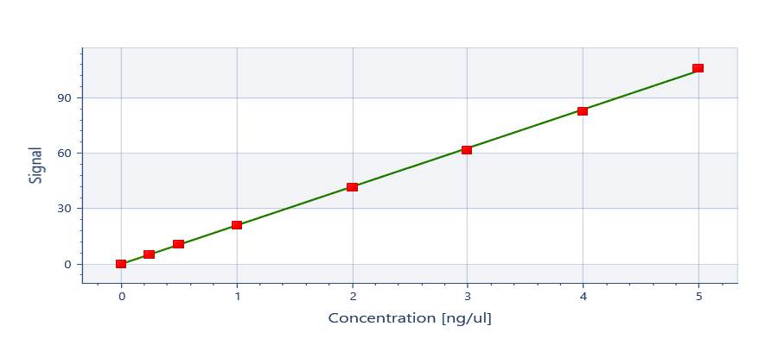

y = 20.9468x + 0.172087

y = ax + b
Where:
a = | 20.9468332934748
b = | 0.172087203471563

R²: 1

Well | Sample | Conc. [ng/ul] | Original signal | CV% | Fitted signal | Residual
Average | 0 | 0 | 0.3911 | NaN | 0.1721 | 0.2190
A01 | 0 | 0 | 0.3911 |  | 0.1721 | 0.2190
Average | 10 | 0.5000 | 10.97 | NaN | 10.65 | 0.3246
C01 | 10 | 0.5000 | 10.97 |  | 10.65 | 0.3246
Average | 100 | 5.000 | 106.4 | NaN | 104.9 | 1.525
H01 | 100 | 5.000 | 106.4 |  | 104.9 | 1.525
Average | 20 | 1.000 | 21.27 | NaN | 21.12 | 0.1479
D01 | 20 | 1.000 | 21.27 |  | 21.12 | 0.1479
Average | 40 | 2.000 | 41.72 | NaN | 42.07 | -0.3457
E01 | 40 | 2.000 | 41.72 |  | 42.07 | -0.3457
Average | 5 | 0.2500 | 5.593 | NaN | 5.409 | 0.1838
B01 | 5 | 0.2500 | 5.593 |  | 5.409 | 0.1838
Average | 60 | 3.000 | 62.08 | NaN | 63.01 | -0.9287
F01 | 60 | 3.000 | 62.08 |  | 63.01 | -0.9287
Average | 80 | 4.000 | 82.83 | NaN | 83.96 | -1.126
G01 | 80 | 4.000 | 82.83 |  | 83.96 | -1.126

Well | Type | Sample | Signal | Conc. [ng/ul]
A01 | Standard | 0 | 0.3911 | 0.01045
B01 | Standard | 5 | 5.593 | 0.2588
C01 | Standard | 10 | 10.97 | 0.5155
D01 | Standard | 20 | 21.27 | 1.007
E01 | Standard | 40 | 41.72 | 1.983
F01 | Standard | 60 | 62.08 | 2.956
G01 | Standard | 80 | 82.83 | 3.946
H01 | Standard | 100 | 106.4 | 5.073
A02 | Unknown | QT RQual 1 | 69.18 | 3.294
B02 | Unknown | QT RQual 2 | 58.31 | 2.775
C02 | Unknown | QT RQual 3 | 60.81 | 2.895
D02 | Unknown | QT RQual 1 (2 in 198) | 68.10 | 3.243

Autoloading range A1 - G78

